Game structure
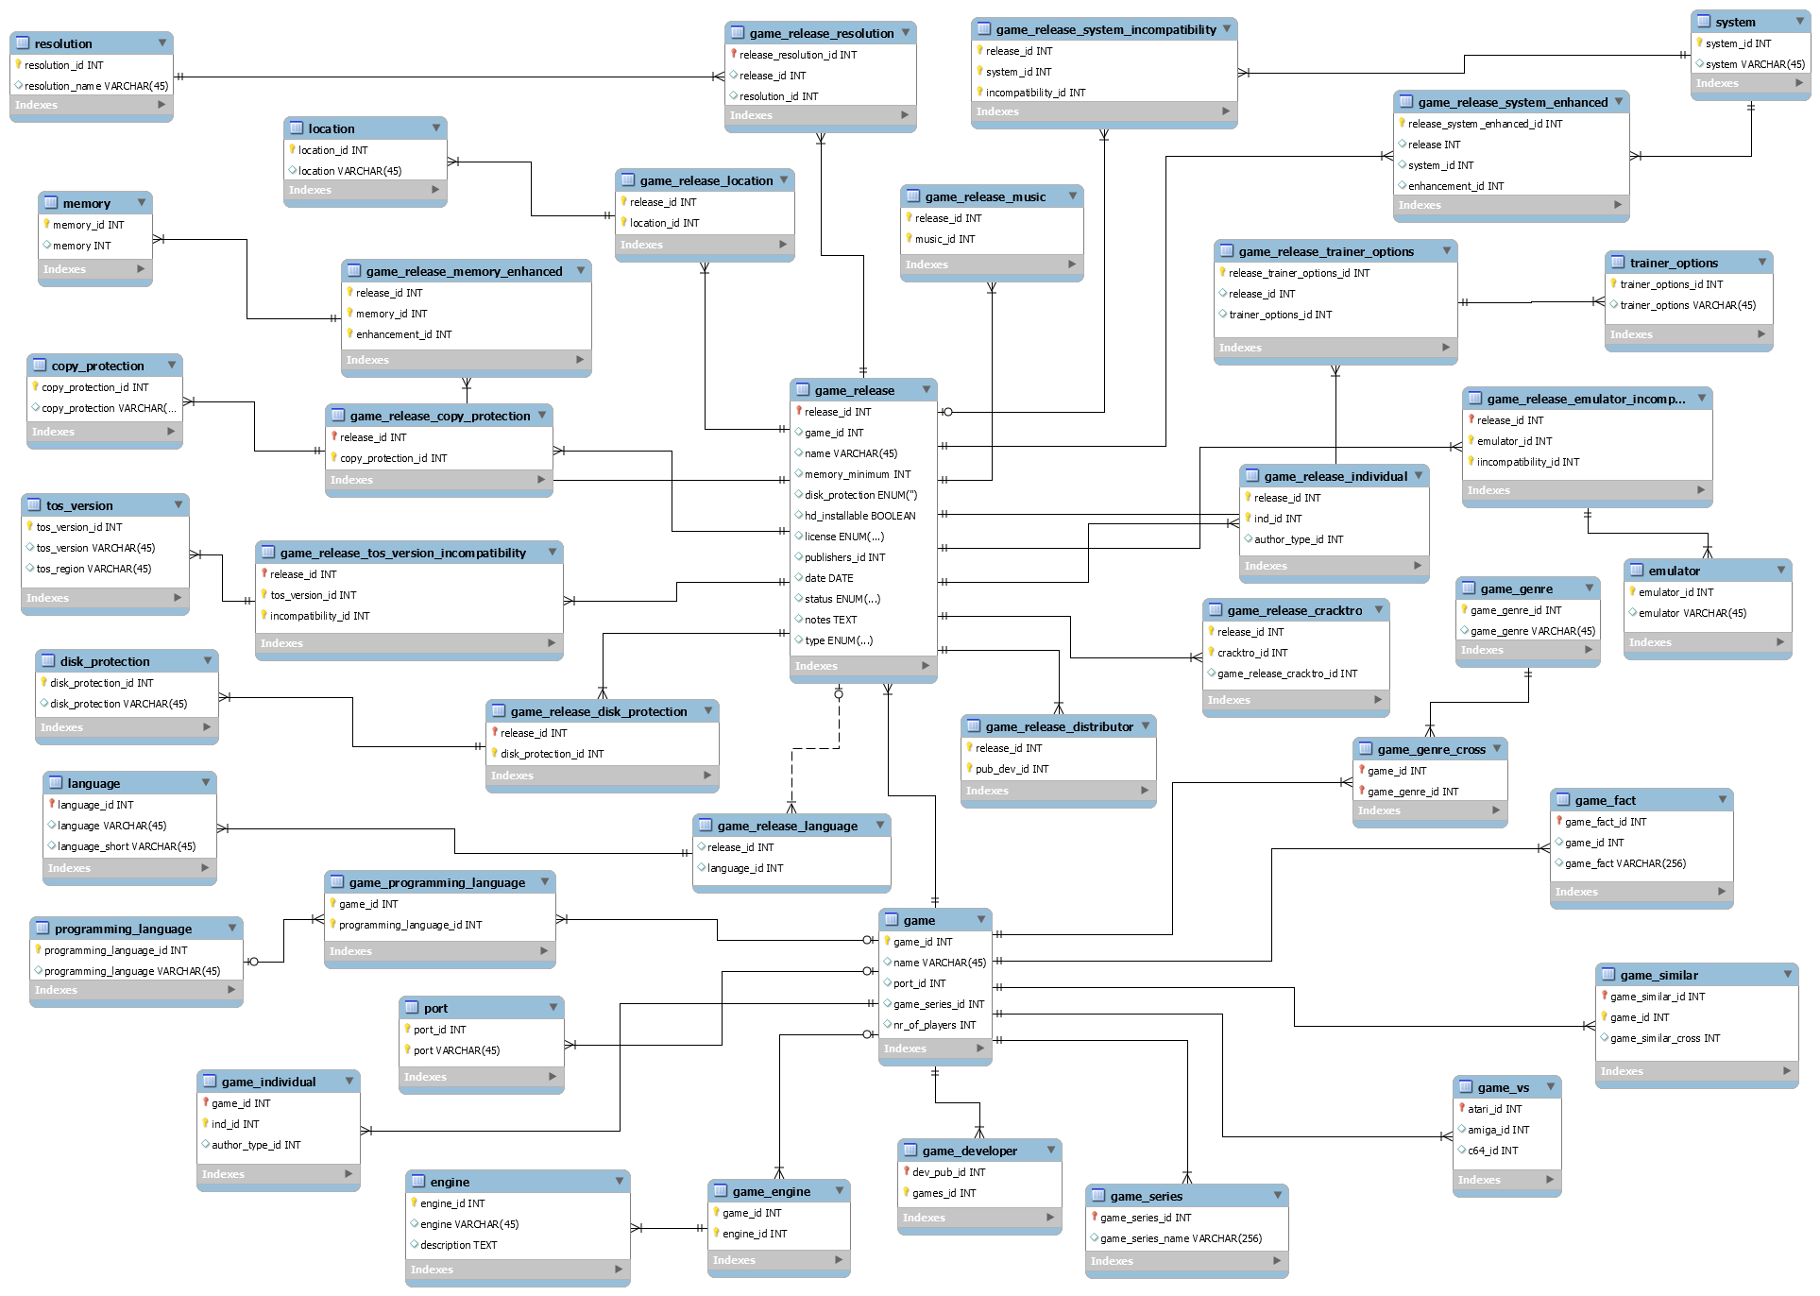

Table | Info | Fields | Explanation | Extra
game | This is the main game table which everything will be connected with | port_id | Is the game a port (from an Arcade or another system) | A game is a port from a single origin system (The system the game appeared on first)
 |  | nr_of_players | How many players can play the game together | A game has a single count of maximum players
 |  | game_series_id | A game is part of a single series | eg. Turrican, Ultima, ...
game_programming_language | This is the cross table between the game and its programming language(s)
programming_language | The table which holds all programming languages. Eg C, STOS, ASM, GFA...A game can be a mix of STOS + ASM
port | From which system is this game ported (C64, Amiga, Arcade)
game_individual | This is the cross table between the game and its creators/individuals. This table also contains the link to the author_type table (programmer, graphics artist, Musician ...)
game_engine | the cross between the game and the engine tabel
engine | What engine was the game built with eg. STOS, STAC, SEUCK ... A game can only be build with 1 engine
game_developer | The cross table between the game and the developer table
game_series | This table contains the series of games (Lotus trilogy, Star Wars trilogy, Ishar trilogy...) and is linked directly to the game table
game_vs | This table contains the game_ids of other versions on other web sites. This table is used to link our games with Lemon Amiga and Lemon 64
game_similar | This is a cross to the game table itself which links to games of a similar nature | game_similar_cross | contains a game_id
game_fact | This table can contain titbits of info regarding a game.
game_genre_cross | This is the cross table between the game and its genre, A game can be part of multiple genres,
game_genre | The table which holds all the genres eg. Action, platformer, adventure
game_release | The table containing all the different releases (published by) of this game | name | Title of the release | *only* if it differs from the main game title (e.g. because it is translated)
 |  | memory_minimum | Minimum RAM to run the game (eg. 512, 1024, 2048, 4096) | A release has a single minimum required RAM amount
 |  | disk_protection | What disk protection system is used | A release disk is protected by a single copy protection system
 |  | hd_installable | Is the release HD installable | A release is either HD installable or not
 |  | license | License of the release eg. Commercial, Shareware, Open Source | A release has a single license
 |  | date | Date of the release | A release has a single release date
 |  | notes | Field to add bugs and other info regarding the release
 |  | status | Status of the release (unfinished, unreleased, in development)
game_release_language | The cross table between a release and the language table. A release may have multiple languages.
language | The language table | language | eg. English
 |  | language_short | eg. EN
game_release_distributor | Crosstable between the distributor and the game_release table. A release has a single publisher (but there may be multiple releases of the game with different publishers).
game_release_cracktro | Cross table between the release and the cracktro table
game_release_individual | This is the cross table between the release and its creators/individuals. This table also contains the link to the author_type table (programmer, graphics artist, Musician ...). Individuals involved in modifying this release from the original code, or adding music, ...
game_release_emulator_incompatibility | This is the cross table between the release table, emulator table and the incompatibility table. Which emulators the release is NOT compatible with. A release may be incompatible with multiple emulators.
emulator | This table holds all the emulators (STEEM, HATARI...)
game_release_trainer_options | Cross between release table and trainer options - this one replaces the game_download_trainer table
trainer_options | table containing all types of trainers
game_release_system_enhanced | Crosstable between the release, the system and the enhancement tables. Platforms the release is enhanced for. A release can be enhanced for STe, and further enhanced for Falcon.
system | Table containing all the different systems (1040ste, 520st, falcon ...)
game_release_system_compatibility | Crosstable between the release, the system and the incompatibility tables. Minimum platforms that can run the release. A release can run both on ST + STe, without enhancements
game_release_music | The cross table between the game_release and the music structure
game_release_resolution | Crosstable between the release and the resolution table. A release may support multiple resolutions.
resolution | Table holds all resolutions (high, low, medium, Falcon RGB, Falcon VGA)
game_release_location | Crosstable between the release and the location table. Region or Country the release was done. A release may be released to multiple countries (FR, UK) or regions (Europe, Asia).
location | Table holding countries (UK, France, US, ...) + regions (Europe, Asia, ...)
game_release_memory_enhanced | Crosstable between the release, the memory and the enhancement tables. Enhancements provided by additional memory. A release may be enhanced for 1MB, further enhanced for 2MB.
memory | Table holding the RAM amounts (512, 1024, 2048, 4096)
copy_protection | table containing all types of copy protection (word in manual, wheel...)
game_release_copy_protection | The cross table between the copy_protection table and the game release table. What disk protection system is used? A release can be protected by multiple copy protection systems
game_release_tos_version_incompatibility | Crosstable between the release, the tos version and the incompatibility tables.Which version of TOS the release is NOT compatible with. A release may be incompatible with multiple TOS versions.
tos_version | Table holding all the tos versions (1.0, 1.02, 1.04, 1.06, 1.62, 2.02, 2.05, 2.06, 2.07, 2.08, 3.01, 3.05, 3.06, 4.00, 4.01, 4.02, 4.04, 4.92, 4.98)
disk_protection | table containing all types of disk protection
game_release_disk_protection | The cross table between the disk_protection table and the game release table. What disk protection system is used?
game_release_language | The cross table between a release and the language table

Dump Structure
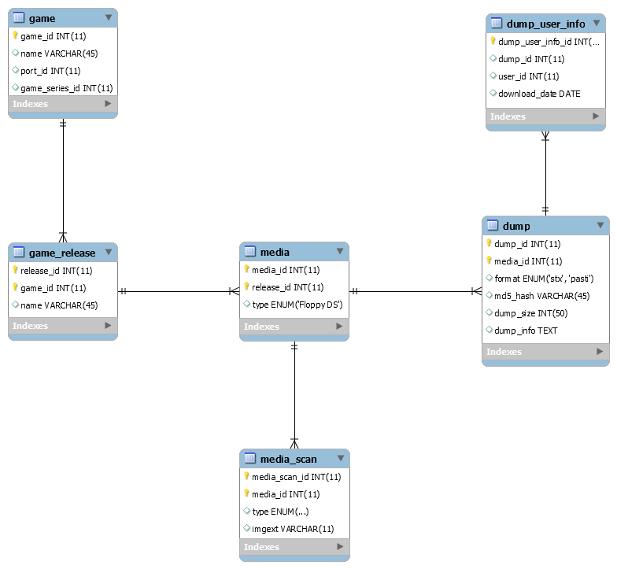

Table | Info | Fields | Explanation | Extra
media | - A release can have multiple media, for example games spread across multiple disks, or games with SS and DS disks - A media can have multiple scan images (e.g. front of the floppy, back) - A media can have multiple dumps, for example a STX (Pasti), MSA (Magic Shadow Archiver) , RAW (Kryoflux), SCP (SuperCard Pro) | type | A media has a type like Floppy SS, Floppy DS, Cartridge, Digital
media_scan | This table contains the artwork of the game. A media can have multiple scan images (e.g. front of the floppy, back, goodies...) | type | Front of the floppy, back, goodies...
 |  | imgext | Extension of the image
dump | Table containing the actual dump/download of a media. A media can have multiple dumps, for example a Pasti one and a MSA one . | format | STX (Pasti), MSA (Magic Shadow Archiver) , RAW (Kryoflux), SCP (SuperCard Pro)
 |  | dump_info | extra info regarding the dump, bugs ...
dump_user_info | Extra info regarding who downloaded the dump and when

Crew Structure
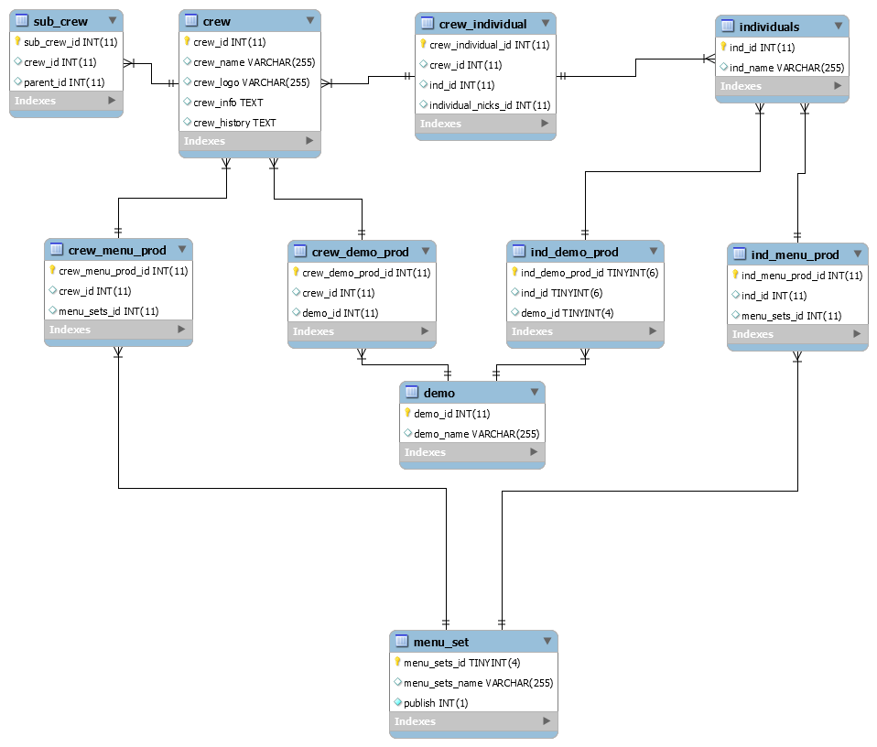

Table | Info | Fields | Explanation | Extra
crew | The main crew table containing all the crews | crew_logo | extension of the logo
 |  | crew_info | Info on the crew | Currently not used
 |  | crew_history | History of the crew
sub_crew | A crew sometimes consists of subcrews
crew_individual | The cross table linking the individuals(hackers, coders, musicians…) to their crew
crew_menu_prod | The cross tables linking the crews and individuals to their work. Every crew or individual has got their own productions, these are always demos or menus. Games are dealt with in the game tables structure.
crew_demo_prod | The cross tables linking the crews and individuals to their work. Every crew or individual has got their own productions, these are always demos or menus. Games are dealt with in the game tables structure.
ind_demo_prod | The cross tables linking the crews and individuals to their work. Every crew or individual has got their own productions, these are always demos or menus. Games are dealt with in the game tables structure.
ind_menu_prod | The cross tables linking the crews and individuals to their work. Every crew or individual has got their own productions, these are always demos or menus. Games are dealt with in the game tables structure.

Doc Disk Structure
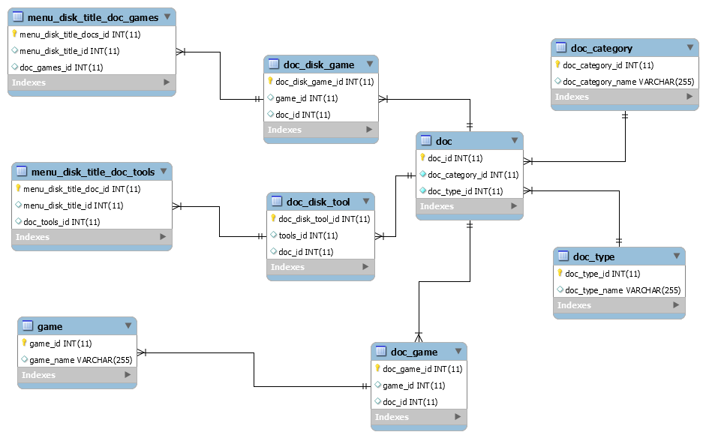
 |  |  |  | Info
 |  |  |  | Overhere we see a visual overview of how the doc tables are linked to the menu section by use of doc disks. As you also can see, not only doc disks are linked to the doc table. Other sections will be linked as wel. Some examples :

 |  |  |  | - Let's say we are dealing with a SEWER DOC DISK containing a manual of "Xenon 2" and a cheat code for "Supercars". Both docs have got an entry in the menu_disk_title_doc_games, in the doc_disk_game and in the doc table. There can be more docs of the same

 |  |  |  | - The game "Xenon 2" by itself can also be linked to the doc table. What if we are dealing with the official manual of the game. This has nothing to do with a doc disk. So a cross table between the game table and the doc table is used, in this case the do

Table | Info | Fields | Explanation | Extra
doc_disk_game | This is the cross table linking the doc disk title (in this case a game doc) with the actual doc table.
doc_disk_tool | This is the cross table linking the doc disk title (in this case a tool doc) with the actual doc table.
doc_game | This is the cross table linking the game table with the doc table
doc | Main documents table containing all docs used on the site
doc_type | The type of document we are dealing with eg. a cheatcode, a walkthrough, a manual ...
doc_category | The category this document belongs to eg. doc disk game, doc disk tool, doc game, doc tool ...

Individuals Structure
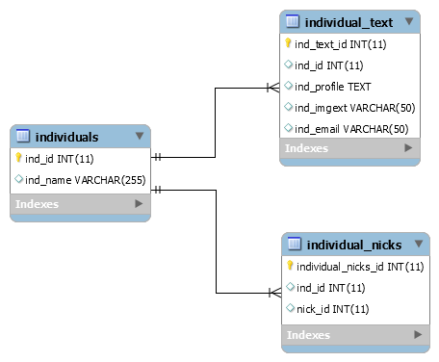

Table | Info | Fields | Explanation | Extra
individuals | The main individuals table will hold the individual names AND nicknames.
Individual_nicks | A cross table linking the individual with its nick name(s)
individual_text | This table contains extra details of the individual. eg history, email ....

Menu Structure
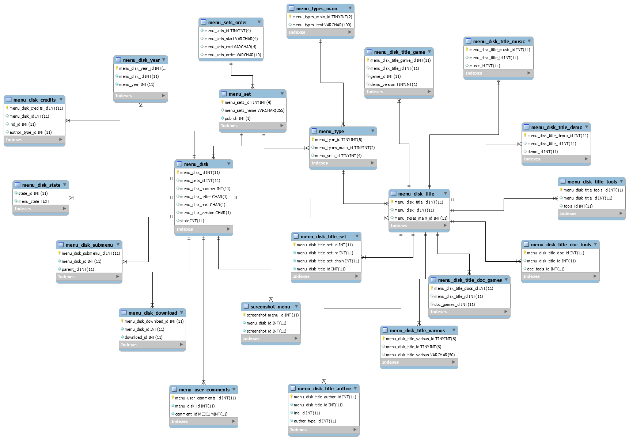

 | s

Table | Info | Fields | Explanation | Extra
menu_type | This table connects all menu sets and even menu disks to a certain type of menu
menu_types_main | This table contains the actual menu types e.g. demo menu, game menu, tool menu…
menu_set | Many crews made different "sets" of menu disks. One example would be the Pompey Pirates as they had 2 sets; the actual 'Pompey Pirates' set and another one named "Krappy Compacts".
menu_sets_order | This table is needed specifically for ordering the disks in the correct way. We need to know how many disks were released, which number they start and end at, any known gaps and how they are ordered.
menu_disk | This is the main table for the menu disks. Every menu disk belongs to a set, hence the set identifier.
menu_disk_title | Menu disks can contain all kinds of software titles. These titles are stored in the menu_disk_title table and are linked to the actual menu disk using the menu_disk_id field. This title table also contains menu_disk_title_type field. This means that, even if a menu disk is linked to a 'game' type, each title individually has its own type. So, a game menu disk, can also contain a doc for example.
menu_disk_title_game | All the game titles are contained in this table. We have separate table for each type of title so we can enhance search features on the site and for data consistency.
menu_disk_title_tools | All the tool titles are contained in this table. We have separate table for each type of title so we can enhance search features on the site and for data consistency.
menu_disk_title_demo | All the demo titles are contained in this table. We have separate table for each type of title so we can enhance search features on the site and for data consistency.
menu_disk_title_music | All the music titles are contained in this table. We have separate table for each type of title so we can enhance search features on the site and for data consistency.
menu_disk_title_doc_games | All the (doc disks with) game docs are contained in this table. We have separate table for each type of title so we can enhance search features on the site and for data consistency.
menu_disk_title_doc_tools | All the (doc disks with) tool docs are contained in this table. We have separate table for each type of title so we can enhance search features on the site and for data consistency.
menu_disk_title_various | All titles not belonging to any type of the above are contained in this table. We have separate table for each type of title so we can enhance search features on the site and for data consistency.
menu_disk_title_set | This table contains the sets of titles. For example, let's say a menu disk contains the game title 'Gods'. However, this title is normally spread over 2 disks. Using this 'set' table, we can link a title over 2 discs.
screenshot_menu | This is the screenshot cross table linking the menu disks to the screenshot main table (for more detail, see the screenshots section).
menu_user_comments | This is the comments cross table linking the menu disks to the user comments main table (for more detail, see the comments section).
menu_disk_download | This table contains the actual files for download of each menu disk. |  |  | This one is not correct anymore and I need to change it - To do
menu_disk_submenu | It sometimes happens that a menu disk is some kind of submenu of a totally different other menu disk. Using the cross table we can link menu disks to other menu disks.
menu_disk_state | The main states table containing info like 'corrupt', 'complete' ...
menu_disk_credits | This table contains the individual id's of the people who were responsible for the intro of the menu disk. This is a cross table between the menu disk and the individuals table.
menu_disk_year | This table contains the release year of the menu disk.
menu_disk_title_author | This table is used to store the credits for each menu disk. Such as the crackers, hackers, artists etc.

